Swine Feed Formulations
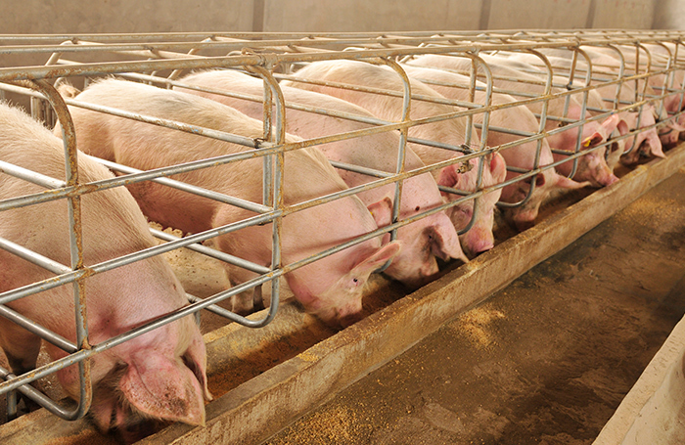
ANIMAL FEED FORMULATION LIBRARY
Swine Feed Formulations

Developed by Dr. Ioannis Mavromichalis
Brought to you by WATT Global Media & FeedStrategy.com

Note: The swine feed formulas featured in this Excel document are part of a greater series, the Animal Feed Formulations Library. To view the full feature, visit www.FeedStrategy.com/animal-feed-formulations

Ingredients
Code | Ingredients | ME | Protein | Fiber | Lipids | Ca | DigP | Na | Cl | K | dLys | dMet | dMC | dThr | dTrp | Lactose | Zn | Cu | Weight
100 | Corn, ground | 3395.00 | 8.24 | 1.98 | 3.48 | 0.02 | 0.09 | 0.02 | 0.05 | 0.32 | 0.19 | 0.15 | 0.30 | 0.22 | 0.05 |  |  |  | 1.00
101 | Oats, dehulled and cooked | 3595.00 | 13.90 | 4.00 | 5.90 | 0.08 | 0.04 | 0.05 | 0.09 | 0.38 | 0.38 | 0.17 | 0.36 | 0.35 | 0.15 |  |  |  | 1.00
102 | Soybean meal, 44% CP | 3382.00 | 43.90 | 6.60 | 1.24 | 0.35 | 0.31 | 0.01 | 0.05 | 1.96 | 2.43 | 0.53 | 1.10 | 1.46 | 0.53 |  |  |  | 1.00
103 | Corn DDGS, bioethanol | 3434.00 | 27.33 | 7.06 | 10.43 | 0.12 | 0.47 | 0.22 | 0.20 | 0.90 | 0.47 | 0.45 | 0.83 | 0.70 | 0.15 |  |  |  | 1.00
104 | Soy protein concentrate, 60% CP | 3817.00 | 65.20 | 3.42 | 1.05 | 0.32 | 0.39 | 0.05 | 0.02 | 2.20 | 3.72 | 0.80 | 0.77 | 2.17 | 0.71 |  |  |  | 1.00
105 | Whey, dried, sweet | 3415.00 | 11.55 | 0.08 | 0.83 | 0.62 | 0.63 | 0.94 | 1.40 | 1.96 | 0.85 | 0.17 | 0.41 | 0.63 | 0.19 | 72.88 |  |  | 1.00
106 | Animal plasma, 80% | 4017.00 | 77.84 |  | 2.00 | 0.13 | 1.25 | 2.76 | 1.19 | 0.02 | 6.00 | 0.66 | 2.87 | 3.58 | 1.27 |  |  |  | 1.00
107 | Soybean hulls | 1938.00 | 10.27 | 35.75 | 1.29 | 0.54 | 0.04 | 0.01 | 0.02 | 1.20 | 0.38 | 0.10 | 0.23 | 0.24 | 0.06 |  |  |  | 1.00
108 | Poultry by-product meal, 60% CP | 2655.00 | 64.03 | 0.35 | 12.02 | 4.54 | 1.33 | 0.49 | 0.49 | 0.53 | 3.14 | 0.96 | 1.41 | 1.81 | 0.36 |  |  |  | 1.00
109 | Soybean oil | 8574.00 |  |  | 99.00 |  |  |  |  |  |  |  |  |  |  |  |  |  | 1.00
110 | Choice white grease | 8124.00 |  |  | 99.00 |  |  |  |  |  |  |  |  |  |  |  |  |  | 1.00
111 | Salt |  |  |  |  | 0.30 |  | 39.50 | 59.00 |  |  |  |  |  |  |  |  |  | 1.00
112 | Monocalcium phosphate |  |  |  |  | 16.90 | 18.98 | 0.20 |  | 0.16 |  |  |  |  |  |  |  |  | 1.00
113 | Calcium carbonate |  |  |  |  | 38.50 | 0.02 | 0.08 | 0.02 | 0.08 |  |  |  |  |  |  |  |  | 1.00
114 | L-Lysine HCl | 4350.00 | 95.40 | 0.00 | 0.00 | 0.00 | 0.00 | 0.00 | 19.50 | 0.00 | 79.80 | 0.00 | 0.00 | 0.00 | 0.00 |  |  |  | 1.00
115 | DL-Methionine | 5354.00 | 58.40 | 0.00 | 0.00 | 0.00 | 0.00 | 0.00 | 0.00 | 0.00 | 0.00 | 99.00 | 99.00 | 0.00 | 0.00 |  |  |  | 1.00
116 | L-Threonine | 3776.00 | 73.10 | 0.00 | 0.00 | 0.00 | 0.00 | 0.00 | 0.00 | 0.00 | 0.00 | 0.00 | 0.00 | 99.00 | 0.00 |  |  |  | 1.00
117 | L-Tryptophan | 6166.00 | 85.30 | 0.00 | 0.00 | 0.00 | 0.00 | 0.00 | 0.00 | 0.00 | 0.00 | 0.00 | 0.00 |  | 98.50 |  |  |  | 1.00
118 | Vitamin premix |  |  |  |  |  |  |  |  |  |  |  |  |  |  |  |  |  | 1.00
119 | Zinc oxide, 72% |  |  |  |  |  |  |  |  |  |  |  |  |  |  |  | 720000.00 |  | 1.00
120 | Copper sulphate, 25% |  |  |  |  |  |  |  |  |  |  |  |  |  |  |  |  | 252000.00 | 1.00
121 | Trace mineral premix |  |  |  |  |  |  |  |  |  |  |  |  |  |  |  |  |  | 1.00
122 | Organic acid(s) |  |  |  |  |  |  |  |  |  |  |  |  |  |  |  |  |  | 1.00
123 | Antioxidant |  |  |  |  |  |  |  |  |  |  |  |  |  |  |  |  |  | 1.00
124 | Additives (other) |  |  |  |  |  |  |  |  |  |  |  |  |  |  |  |  |  | 1.00
125 | Antibiotic growth promoters |  |  |  |  |  |  |  |  |  |  |  |  |  |  |  |  |  | 1.00
999 | Do not add below this line

NOTE:
The numbers above are provided here only for the purposes of this project, as an informational resource. No guarantee is provided regarding their accuracy. Please, consult with a qualified nutritionist regarding commercial feed ingredients.
 | Last ingredient - Do not add below this line

